Revence_status
Sales Dashboard
Revenue_Status
Geological_Status
Profit_Market
Strategy_Process

 | sources | max | without
1 | 3 | 3 | 3
8 | 6 | 6 | 6
3 | 1 | 1 | 1
2 | 8 | 8 | 8
6 | 9 | 9 | 9
9 | 1 | 1 | 1
9 | 5 | 5 | 5

The dataset contains financial statistics categorized by year, country, and two key financial metrics: the actual amount and a target value. The "Amount" column represents the recorded income or financial value for each city in a given year. For example, in 2024, Kalam recorded an income of 4800000.
Financial Statistics
Revenue_status
Kohat
Malakand
Chatral
Kalam
Muzafrgarh
Peshawer
1200000
1200000
2400000
4800000
16800000
34320000
 | come | per
 | 1
 | 1
 | 1 | 150000
 | 1 | 100000
 | 1
 | 1
 | 1
 | 1
 | 1
 | 1
 | 1
 | 1
 | 1
 | 1
 | 1
 | 1
 | 1
 | 1
 | 1
 | 1
 | 1
 | 1
 | 1
 | 1
 | 1
 | 1
 | 1
 | 1
 | 1
 | 1
 | 1
 | 1
 | 1
 | 1
 | 1
 | 1
 | 1
 | 1
 | 1
 | 1
 | 1
 | 1
 | 1
 | 1
 | 1
 | 1
 | 1
 | 1
 | 1
 | 1
...
│

RS60,720,000.00
RS10,800,000.00
Total Revenue
Profit

RS60,720,000.00
Achieve
│

 | Sum of Total Amount | Sum of Order | Sum of Total Amount 2
Kohat | 1200000 | 3000 | 1.98%
Malakand | 1200000 | 3000 | 1.98%
Chatral | 2400000 | 6000 | 3.95%
Kalam | 4800000 | 12000 | 7.91%
Muzafrgarh | 16800000 | 42000 | 27.67%
Peshawer | 34320000 | 84000 | 56.52%
Achieve
│
│
150000
│
Target
 | Sum of Order | Sum of Total Amount | Sum of operating profit
Jan | 24000 | 9600000 | 2520000
Feb | 6000 | 2400000 | 630000
March | 18000 | 7200000 | 1890000
May | 12000 | 4800000 | 1260000
june | 3000 | 1200000 | 300000
july | 3000 | 1200000 | 120000
Sep | 48000 | 19200000 | 1920000
Oct | 36000 | 15120000 | 2160000
 | Sum of Order | Sum of Total Amount | Sum of operating profit
Jan | 24000 | 9600000 | 2520000
Feb | 6000 | 2400000 | 630000
March | 18000 | 7200000 | 1890000
May | 12000 | 4800000 | 1260000
june | 3000 | 1200000 | 300000
july | 3000 | 1200000 | 120000
Sep | 48000 | 19200000 | 1920000
Oct | 36000 | 15120000 | 2160000
100000

│

Geological_Status
Sales Dashboard
Revenue_Status
Geological_Status
Profit_Market
Strategy_Process

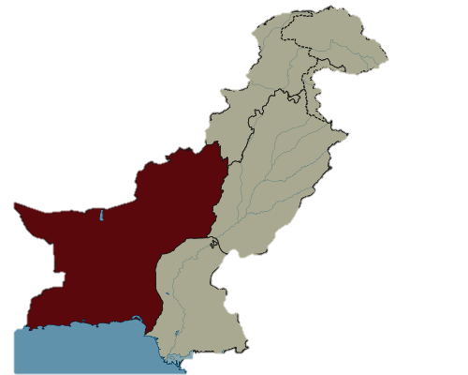
Kohat
Malakand
Chatral
Kalam
Muzafrgarh
Peshawer
1200000
1200000
2400000
4800000
16800000
34320000
1.98%
1.98%
3.95%
7.91%
27.67%
56.52%

Company_Rate Per_Bottle
RS320
Market_Rate Per_Bottle
RS403
Profit_Rate Per_Bottle
RS82.5
RS60,720,000.00
RS10,800,000.00
Total Revenue
Total Profit
Muzafrgarh
16800000
Kohat
Malakand
Peshawer
Chatral
Kalam
1200000
1200000
2400000
4800000
34320000

 | Total
B2B | 100%
B2B
100%

 | Sum of Order | Sum of Total Amount | Sum of operating profit
Jan | 24000 | 9600000 | 2520000
Feb | 6000 | 2400000 | 630000
March | 18000 | 7200000 | 1890000
May | 12000 | 4800000 | 1260000
june | 3000 | 1200000 | 300000
july | 3000 | 1200000 | 120000
Sep | 48000 | 19200000 | 1920000
Oct | 36000 | 15120000 | 2160000

Profit_Market
Sales Dashboard
Revenue_Status
Geological_Status
Profit_Market
Strategy_Process

Local Market
 | come | per
 | 1
 | 1
 | 1 | 150000
 | 1 | 100000
 | 1
 | 1
 | 1
 | 1
 | 1
 | 1
 | 1
 | 1
 | 1
 | 1
 | 1
 | 1
 | 1
 | 1
 | 1
 | 1
 | 1
 | 1
 | 1
 | 1
 | 1
 | 1
 | 1
 | 1
 | 1
 | 1
 | 1
 | 1
 | 1
 | 1
 | 1
 | 1
 | 1
 | 1
 | 1
 | 1
 | 1
 | 1
 | 1
 | 1
 | 1
 | 1
 | 1
 | 1
 | 1
 | 1
...

Credit Card Payment

Customers
Company
Paid
RS10,800,000.00

Cash on Delivery

social Media Platform

